Notes
NOTES TO FINANCIAL STATEMENTS - TFI
(drawn up for quarterly reporting periods)
Name of the issuer: INA-Industrija nafte, d.d.
Personal identification number (OIB): 27759560625
Reporting period: 30 September 2023

Notes to financial statements for quarterly periods include:
a) explanation of business events relevant to understanding changes in the statement of financial position and financial performance for the reporting semi-annual period of the issuer with respect to the last business year: information is provided regarding these events and relevant information published in the last annual financial statement is updated (items 15 to 15C IAS 34 - Interim financial reporting)
b) information on the access to the latest annual financial statements, for the purpose of understanding information published in the notes to financial statements drawn up for the semi-annual reporting period
c) a statement explaining that the same accounting policies are applied while drawing up financial statements for the semi-annual reporting period as in the latest annual financial statements or, in the case where the accounting policies have changed, a description of the nature and effect of the changes (item 16.A (a) IAS 34 - Interim financial reporting)
d) a description of the financial performance in the case of the issuer whose business is seasonal (items 37 and 38 IAS 34 - Interim financial reporting)
e) other comments prescribed by IAS 34 - Interim financial reporting
f) in the notes to quarterly periods financial statements, in addition to the information stated above, information in respect of the following matters shall be disclosed:

1. undertaking’s name, registered office (address), legal form, country of establishment, entity’s registration number and, if applicable, the indication whether the undertaking is undergoing liquidation, bankruptcy proceedings, shortened termination proceedings or extraordinary administration
Issuer’s name: INA - Industrija nafte, d.d.
Registered office (address): Avenija Većeslava Holjevca 10, 10000 Zagreb
Legal form: Public Limited Company
Country of establishment: Republic of Croatia
Entity’s registration number: 3586243
Personal identification number (OIB): 27759560625
2. adopted accounting policies (only an indication of whether there has been a change from the previous period)
The principal accounting policies applied in the preparation of consolidated financial statements are International Financial Reporting Standards and INA Group Accounting Policies and Procedures. These policies have been consistently applied to all the years presented, unless otherwise stated.
Last version of INA Group Accounting Policies and Procedures was approved by Management Board in December 2022 (effective at 28 December 2022).
3. the total amount of any financial commitments, guarantees or contingencies that are not included in the balance sheet, and an indication of the nature and form of any valuable security which has been provided; any commitments concerning pensions of the undertaking within the group or company linked by virtue of participating interest shall be disclosed separately
The total value of guarantees undertaken to third parties is contractually EUR 76 million, which is the maximum amount the Group is exposed to. In the event of default, the terms of the contract contain a maximum compensation payment to the unrelated party. Based on expectations at the end of the reporting period, the Group considers that no liability is expected to arise. The contractual maturity is based on the earliest date on which the Group may be required to pay.
4. the amount and nature of individual items of income or expenditure which are of exceptional size or incidence
Certain items of income and expense of exceptional size or occurrence, such as revenue from contracts with customers, depreciation and impairment of assets (net), staff costs, value adjustments (net), provisions for costs and risks (net), financial income, financial expenses , share in profit in joint venture calculated using equity method, (income) / cost of income tax, basic and diluted (loss) / profit per share are presented in the Flash Report of INA Group and INA, d.d. for the period ended 30 September 2023.
5. amounts owed by the undertaking and falling due after more than five years, as well as the total debts of the undertaking covered by valuable security furnished by the undertaking, specifying the type and form of security
INA Group have no debts maturing after more than five years or debts covered by pledges.
6. average number of employees during the financial year
During 2023, the average number of employees of the INA Group was 9.469, (Q3 2022: 9,528 employees).
7. where, in accordance with the regulations, the undertaking capitalised on the cost of salaries in part or in full, information on the amount of the total cost of employees during the year broken down into the amount directly debiting the costs of the period and the amount capitalised on the value of the assets during the period, showing separately the total amount of net salaries and the amount of taxes, contributions from salaries and contributions on salaries
Capitalised internal labour are all direct staff cost that can be identified or associated with and are properly allocable to the construction, modification, or installation of specific items of capital assets and, as such can be amortized. In Q3 2023 INA Group capitalise internal labour in EUR 3,7 million.
At 30 September 2023, the staff cost includes cost of net salaries in the amount of EUR 111,7 million, cost of tax in amount of EUR 42,8 million and contributions for pension and health insurance in the amount EUR 23 million, and other payroll related costs.
8. where a provision for deferred tax is recognised in the balance sheet, the deferred tax balances at the end of the financial year, and the movement in those balances during the financial year
INA Group deferred tax balance on 30 September 2023 was EUR 125,2 million compared to EUR 129,7 million on 31 December 2022, which represents decrease by EUR 4,5 million.
The reason behind deferred tax decrease is largely due to the tax non-deductible value adjustment of assets and provisions.

9. the name and registered office of each of the undertakings in which the undertaking, either itself or through a person acting in their own name but on the undertaking's behalf, holds a participating interest, showing the proportion of the capital held, the amount of capital and reserves, and the profit or loss for the latest financial year of the undertaking concerned for which financial statements have been adopted; the information concerning capital and reserves and the profit or loss may be omitted where the undertaking concerned does not publish its balance sheet and is not controlled by another undertaking
A detailed overview of INA Group's share in ownership and voting rights is presented in Annual Financial Statements of INA Group and INA, d.d. for the year ended 30 September 2023.

10. the number and the nominal value or, in the absence of a nominal value, the accounting par
Share and issued and fully paid capital of INA, d.d. makes a total amount of EUR 1.200.000.000,00 for the year ended 30 September 2023.
The share capital of the company consists of 10 million approved and issued shares with a nominal value of EUR 120,00. Each share carries one vote and is entitled to dividends.
11. the existence of any participation certificates, convertible debentures, warrants, options or similar securities or rights, with an indication of their number and the rights they confer
Described facts and circumstances are not applicable for INA Group financial statements.
12. the name, registered office and legal form of each of the undertakings of which the undertaking is a member having unlimited liability
A detailed overview of INA Group's share in ownership and voting rights is presented as follows:
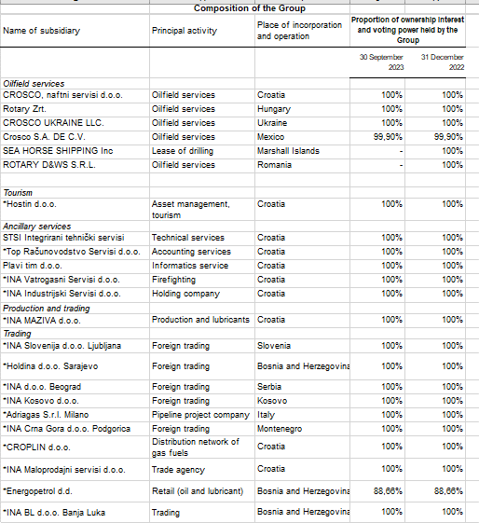

13. the name and registered office of the undertaking which draws up the consolidated financial statements of the largest group of undertakings of which the undertaking forms part as a controlled group member
The company MOL Nyrt, (Hungary, Dombóvári út 28., 1117 Budimpešta) prepares the consolidated financial statements for the larger Group of companies, in which INA, d.d. and INA Group are included as a MOL Group subsidiaries.
14. the name and registered office of the undertaking which draws up the consolidated financial statements of the smallest group of undertakings of which the undertaking forms part as a controlled group member and which is also included in the group of undertakings referred to in point 13
Described facts and circumstances are not applicable for INA Group financial statements.
15. the place where copies of the consolidated financial statements referred to in points 13 and 14 may be obtained, provided that they are available
Consolidated financial statements of MOL Group are available on MOL official web page: www.molgroup.info
16. the nature and business purpose of the undertaking's arrangements that are not included in the balance sheet and the financial impact on the undertaking of those arrangements, provided that the risks or benefits arising from such arrangements are material and in so far as the disclosure of such risks or benefits is necessary for the purposes of assessing the financial position of the undertaking
Described facts and circumstances are not applicable for INA Group financial statements.
17. the nature and the financial effect of material events arising after the balance sheet date which are not reflected in the profit and loss account or balance sheet
There were no significant events in period from 30 September 2023 to date of the disclosure of the Condensed Quarterly Financial Statements.

ADDITIONALLY

Line of Income from the use of own products, goods and services, AOP004, in the amount of EUR 41,9 million in 2023 (Q3 2022: EUR 36,4 million) reduces the total expenses of the period in the Flash Report.

Line of Depreciation, amortization and impairment (net) in Annual financial statements of INA Group and INA d.d. for the year ended 30 September 2023 is equal of sum of two lines amortization and value adjustments fixed assets other than financial assets in sheet PL.

Line Staff cost in Flash Report of INA Group for the period ended 30 September 2023 includes other cost besides net salaries and tax. These other costs are presented in line other cost in sheet PL.

Line Right-of-use asset in Flash Report of INA Group in amount of EUR 42,5 million at 30 September 2023 and EUR 40,2 million at 31 December 2022 is presented in group II. of tangible assets in accordance with class of asset in sheet BS.

Prepayments for Property, plant and equipment and intangible assets are presented in line od Long-term receivables of Flash Report of INA Group for the period ended 30 September 2023 (in 2022 EUR 25,3million, and September 2023 EUR 31,3 million) while in TFI_POD is presented in line AOP007 and AOP016.

Line of short-term Provision and line of short-term Employee benefit obligation in Flash Report of INA Group for the period ended 30 September 2023 are presented together AOP124 Accruals and Deffered income in sheet BS, in amount of EUR 30,1 million at 30 September 2023.

